Job Details

Job Number & Name: | 35895 Bexley
Site Number/Name: | Site 3 - Knoll Road
Client: | Waterman
Date: | 2023-06-15

Site Plan
Advanced Transport Research |  |  | Job Number & Name: | 35895 Bexley
Site 3 - Knoll Road |  |  | Date: | 2023-06-15

Job Type: | Pedestrian & Vehicle Count
Co-ordinates: | 51°25'31.05"N, 0° 6'44.98"E | Postcode: | DA14 4HG |  | Times: | 0700-1900

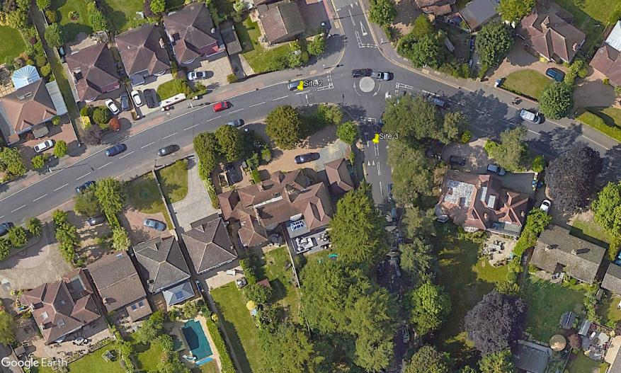
N
Knoll Road

Rectory Road

C
D

B

1
A
2

